Мили
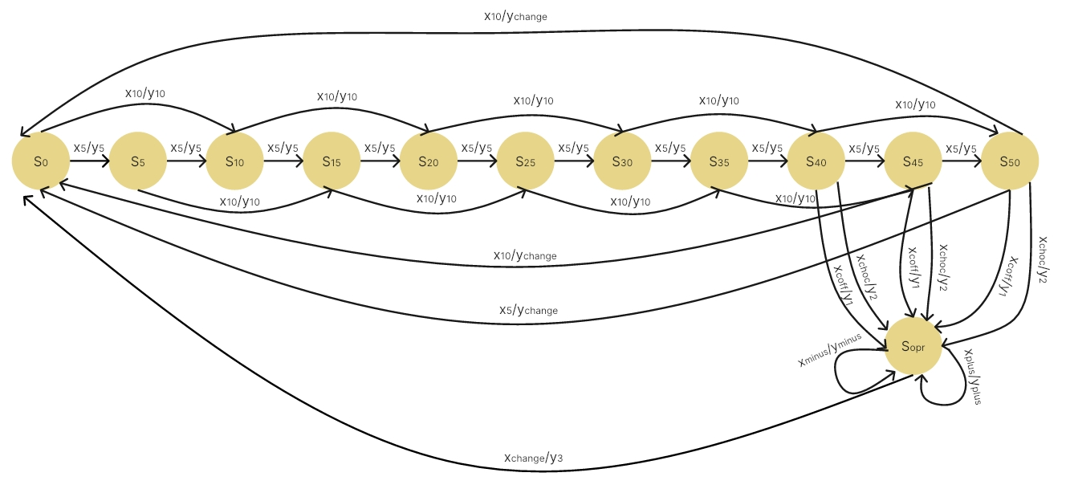

X/S | S0 | S5 | S10 | S15 | S20 | S25 | S30 | S35 | S40 | S45 | S50 | Sopr | X/S | S0 | S5 | S10 | S15 | S20 | S25 | S30 | S35 | S40 | S45 | S50 | Sopr
X5 | S5 | S10 | S15 | S20 | S25 | S30 | S35 | S40 | S45 | S50 | S0 | - | X5 | S5/Y5 | S10/Y5 | S15/Y5 | S20/Y5 | S25/Y5 | S30/Y5 | S35/Y5 | S40/Y5 | S45/Y5 | S50/Y5 | S0/Ychange | -
X10 | S10 | S15 | S20 | S25 | S30 | S35 | S40 | S45 | S50 | S0 | S0 | - | X10 | S10/Y10 | S15/Y10 | S20/Y10 | S25/Y10 | S30/Y10 | S35/Y10 | S40/Y10 | S45/Y10 | S50/Y10 | S0/Ychange | S0/Ychange | -
Xchoc | - | - | - | - | - | - | - | - | Sopr | Sopr | Sopr | - | Xchoc | - | - | - | - | - | - | - | - | Sopr/Y2 | Sopr/Y2 | Sopr/Y2 | -
Xcoff | - | - | - | - | - | - | - | - | Sopr | Sopr | Sopr | - | Xcoff | - | - | - | - | - | - | - | - | Sopr/Y1 | Sopr/Y1 | Sopr/Y1 | -
Xplus | - | - | - | - | - | - | - | - | - | - | - | Sopr | Xplus | - | - | - | - | - | - | - | - | - | - | - | Sopr/Yplus
Xminus | - | - | - | - | - | - | - | - | - | - | - | Sopr | Xminus | - | - | - | - | - | - | - | - | - | - | - | Sopr/Yminus
Xchange | - | - | - | - | - | - | - | - | - | - | - | S0 | Xchange | - | - | - | - | - | - | - | - | - | - | - | S0/Y3

X/S | S0 | S5 | S10 | S15 | S20 | S25 | S30 | S35 | S40 | S45 | S50 | Sopr
X5 | Y5 | Y5 | Y5 | Y5 | Y5 | Y5 | Y5 | Y5 | Y5 | Y5 | Ychange | -
X10 | Y10 | Y10 | Y10 | Y10 | Y10 | Y10 | Y10 | Y10 | Y10 | Ychange | Ychange | -
Xchoc | - | - | - | - | - | - | - | - | Y2 | Y2 | Y2 | -
Xcoff | - | - | - | - | - | - | - | - | Y1 | Y1 | Y1 | -
Xplus | - | - | - | - | - | - | - | - | - | - | - | Yplus
Xminus | - | - | - | - | - | - | - | - | - | - | - | Yminus
Xchange | - | - | - | - | - | - | - | - | - | - | - | Y3

t | 0 | 1 | 2 | 3 | 4 | 5 | 6 | 7 | 8 | 9 | 10 | 11
X | X5 | X10 | X10 | Xchoc | X5 | X10 | X10 | X5 | Xcoff | Xminus | Xchange
S | S0 | S5 | S15 | S25 | S25 | S30 | S40 | S50 | S50 | Sopr | Sopr | S0
Y | Y5 | Y10 | Y10 | - | Y5 | Y10 | Y10 | Ychange | Y1 | Yminus | Y3

Лист1
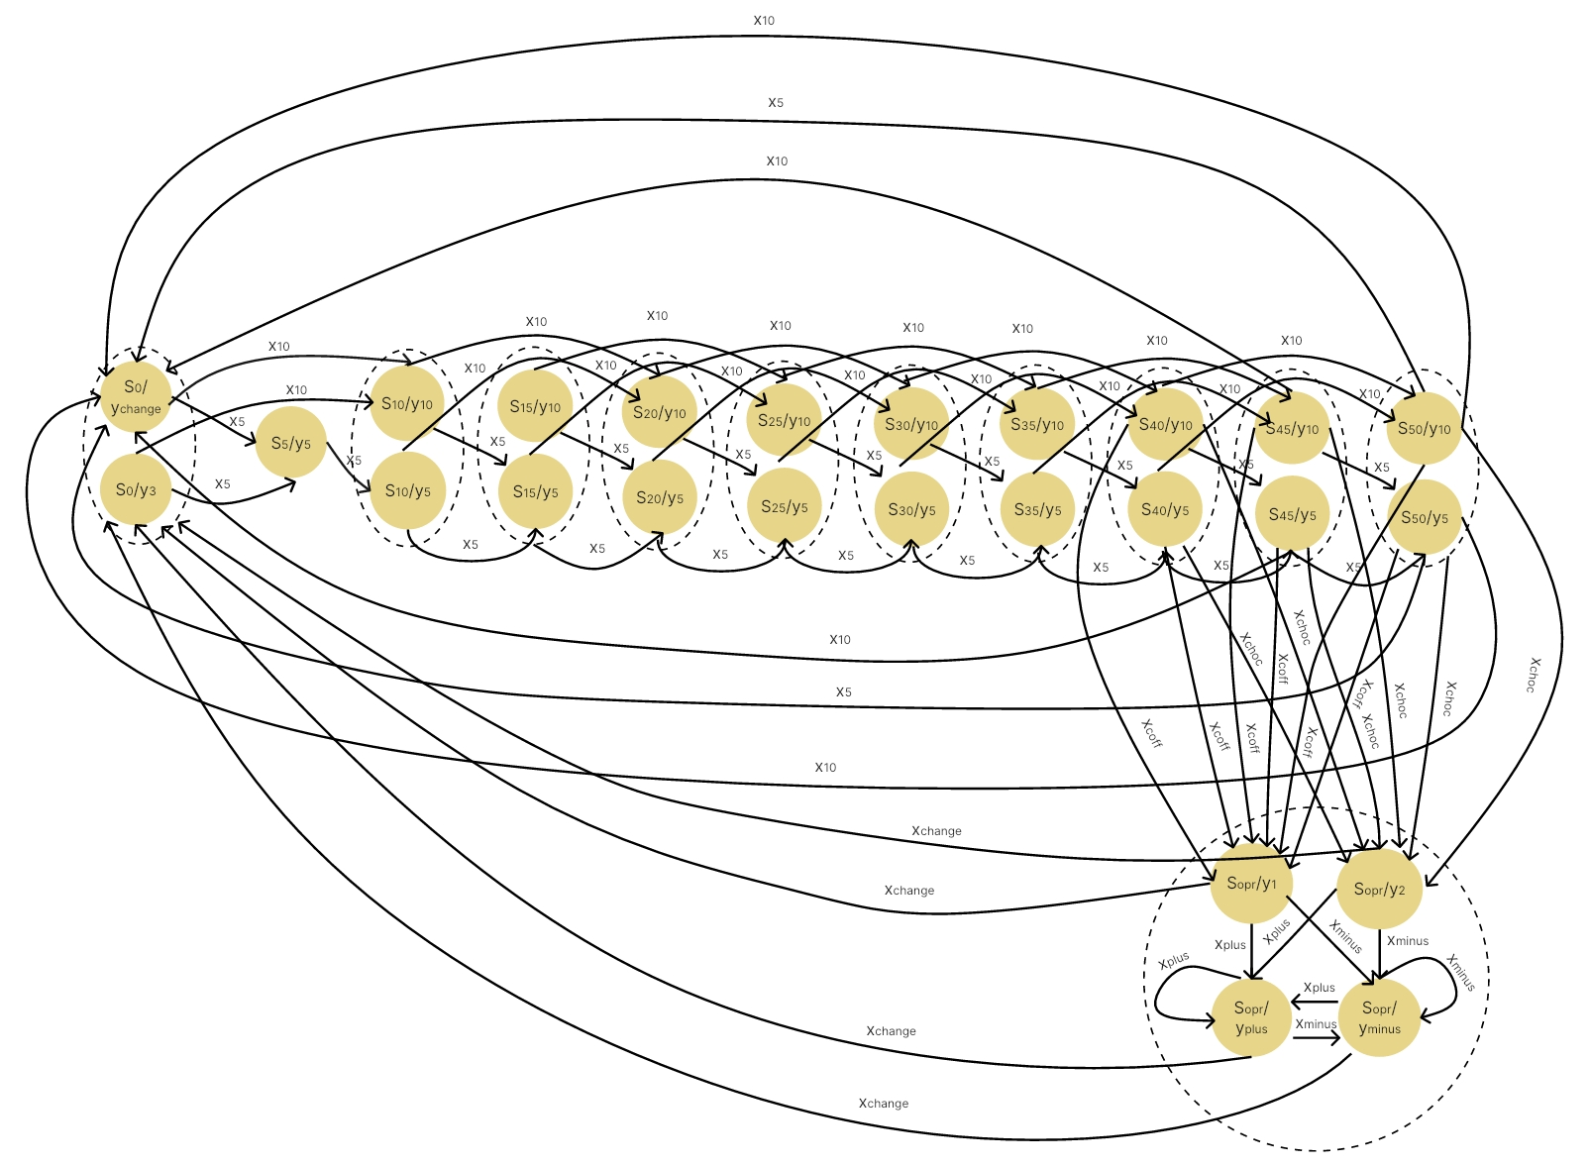

t | 0 | 1 | 2 | 3 | 4 | 5 | 6 | 7 | 8 | 9 | 10 | 11
X | X10 | Xminus | X10 | Xchoc | X5 | X10 | Xchoc | X10 | Xcoff | Xminus | Xchange
S | S0 | S5 | S15 | S25 | S25 | S30 | S40 | S50 | S50 | Sopr | Sopr | S0
Y | Y5 | Y10 | Y10 | - | Y5 | Y10 | Y10 | Ychange | Y1 | Yminus | Y3

